Sheet1
Given below are the common gene from the 2 dataset after applying vooma function (limma precision weights) with adj P_value < 0.05
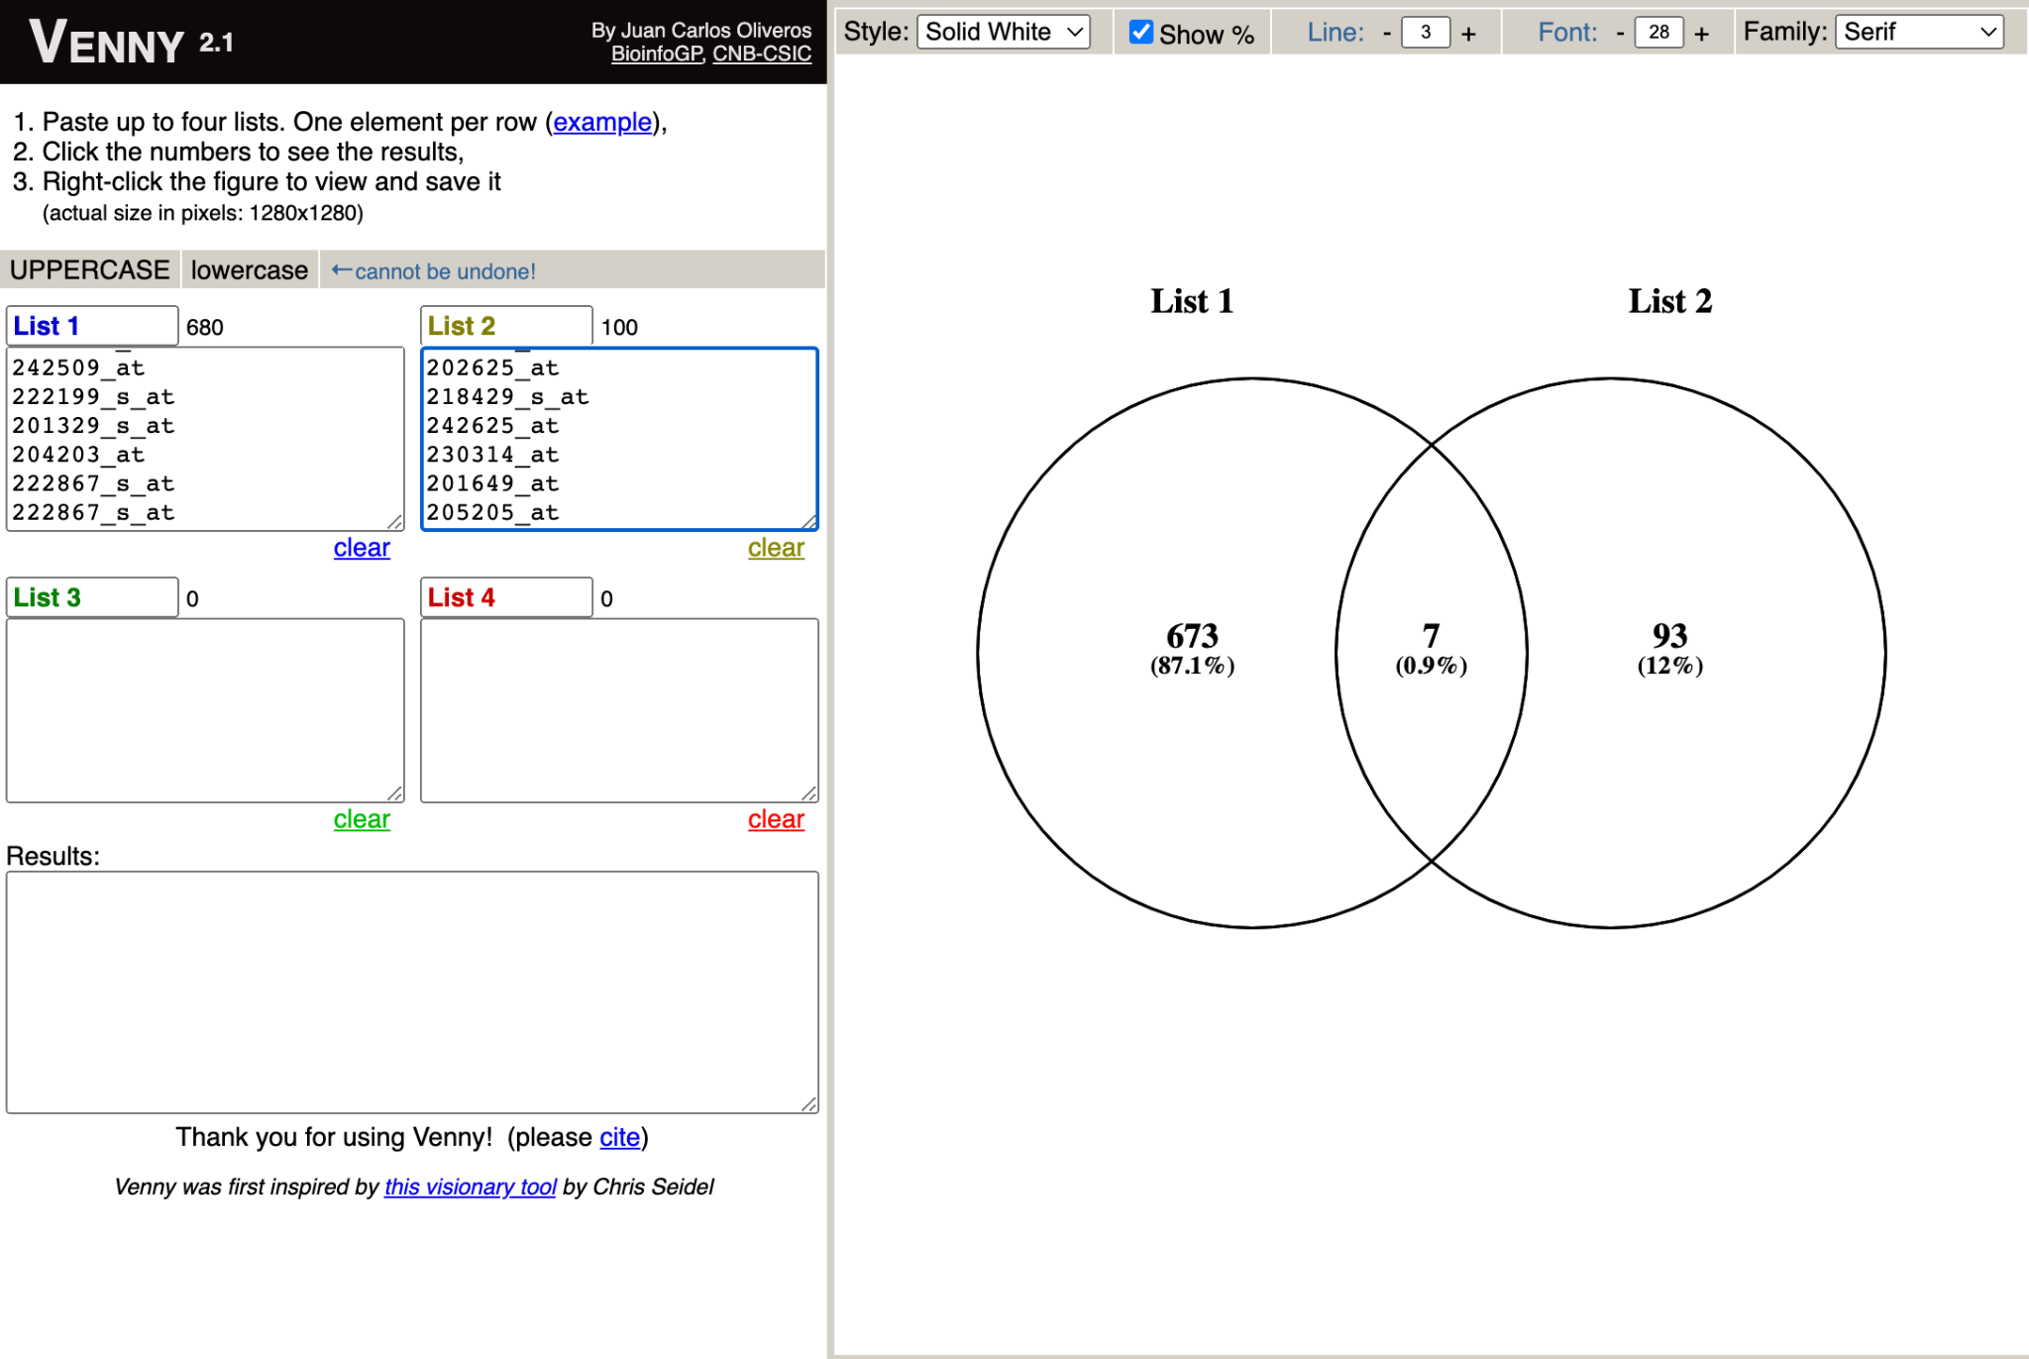
 | Common genes | 2 Dataset Used :
 | 202644_s_at | Vooma_GSE3397
 | 202643_s_at | Vooma_GSE27973
 | 225634_at
 | 201502_s_at
 | 204285_s_at
 | 213051_at
 | 229450_at

